Sheet1
Question 1

Open the dataset in Excel
Click on copilot
Type the prompt "identify and summarize all missing values in this dataset"
Copilot scans all columns and shows
Which columns have missing values.
Number of missing cells per column.
Answer
 |  |  |  |  |  |  |  | Missing Values
 |  |  |  |  |  |  |  | Region | 10
 |  |  |  |  |  |  |  | Category | 10
 |  |  |  |  |  |  |  | Units Sold | 10
 |  |  |  |  |  |  |  | Unit Price | 10

Question 2

Answer
Open the Copilot
Enter the Prompt "fill missing value with "0" and highlight tham only in the region and category columns. in given sheet"
Copilot automatically fills blank with "0"
"Link"

Question 3

Answer
Open the dataset in Excel
Click on copilot
Type the prompt "Fill only missing numeric values in the "Units Sold" and "Unit Price" columns with any value and highlight them"
Copilot scans all columns and shows
Which columns have missing values.
Fill missing value and Highlight them
"Link"

Question 4

Answer
Open the dataset in Excel
Click on copilot
Type the prompt "Create a new calculated column "Total revenue" = "unit sold" * "Unit price" and give me in downloadable form"
Copilot scans all sheet and create a new column
"Link"

Question 5

Answer
Open the dataset in Excel
Click on copilot
Type the prompt "find the total price of Oder ID 'ORD0123' "
Copilot scans all data sheet and search oder ID and calculate total price
Answer - The total price for ORD0123 is 15,849.30.

Question 6

Answer
Open the dataset in Excel
Click on copilot
Type the prompt "Create a chart which is showing average profit by regions"
Copilot scans all data sheet and genarate a chart.
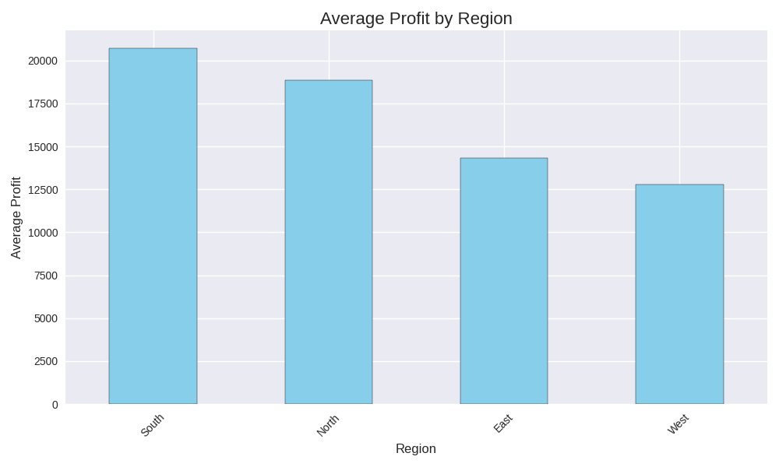

Question 7

Answer
 | Sum of Total revenue | Column Labels
 | Row Labels | East | North | South | West | (blank) | Grand Total
 | Beverages | 888153.51 | 949191.27 | 1145872.84 | 1799862.31 | 70451.96 | 4853531.89
 | Clothing | 1459067.58 | 606328.46 | 496502.89 | 943278.78 | 148520.12 | 3653697.83
 | Electronics | 944943.52 | 950484.27 | 892679.01 | 1261178.88 | 174221.09 | 4223506.77
 | Food | 833638.81 | 1498374.62 | 567878.66 | 789906.75 | 3049.8 | 3692848.64
 | Furniture | 1659890.48 | 731274.15 | 832820.25 | 926634.58 | 135939 | 4286558.46
 | (blank) | 222603.18 | 326947.96 | 14570.57 | 107359.66 |  | 671481.37
 | Grand Total | 6008297.08 | 5062600.73 | 3950324.22 | 5828220.96 | 532181.97 | 21381624.96

Question 9

Answer
Summary Report of Revenue Dataset
1. Data Coverage
The dataset contains over 3,300 orders across multiple regions (East, West, North, South, USA, Germany, UK, Australia, India).
Categories include Beverages, Food, Clothing, Furniture, Electronics.
Sales channels: Online and Offline.
Order priorities: High, Medium, Low.
2. Revenue Insights
Highest revenue orders exceed ₹200,000 (e.g., ORD0165, ORD0231).
Electronics and Furniture frequently generate large revenues due to high unit prices.
Beverages and Food show wide variance: some orders are small (<₹5,000), others exceed ₹150,000.
3. Regional Trends
India appears most frequently, with significant contributions across all categories.
Germany and UK also have strong representation, especially in Clothing and Beverages.
USA orders are notable for high-value Electronics and Furniture sales.
4. Sales Channel Analysis
Online channel dominates in terms of order count and revenue volume.
Offline channel shows fewer but occasionally very high-value transactions.
5. Order Priority Patterns
High-priority orders often correlate with higher revenues, especially in Electronics and Furniture.
Low-priority orders are more common in Beverages and Food, with smaller revenues.
6. Key Observations
Electronics consistently deliver high revenue per order, especially in USA and Germany.
Furniture orders vary widely, with some extremely high-value transactions.
Clothing shows moderate revenue but high frequency, suggesting volume-driven sales.
Beverages are highly volatile, ranging from very small to very large orders.
7. Potential Next Steps
Perform region-wise revenue aggregation to identify top-performing markets.
Compare average revenue per category to highlight profitability.
Investigate unit cost vs. unit price margins for efficiency insights.
Track sales channel performance to optimize online vs. offline strategies.
Use Execl Copilot, the database was cleaned, analyzed, visualized and summarzied.
Copilot significatly reduced manual effort and improve data analysis speed and accuracy.

